Sheet1
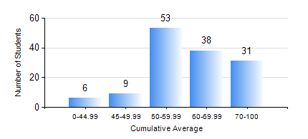
 |  |  | KWAME NKRUMAH UNIVERSITY OF SCIENCE AND TECHNOLOGY, KUMASI Department of Chemical Engineering

 |  |  | BSC. PETROCHEMICAL ENG.

 |  |  | COMPREHENSIVE RECORD OF EXAMINATION RESULTS

 |  |  | RESULTS OF YEAR 1 SECOND SEMESTER, 2021/2022 ACADEMIC YEAR

 | Sn | Course Code |  | Course Name | Credit Hours | Min. Mark | Max. Mark | Avg. Mark | Std. Dev. | No. Passed | No. Trailed | No. (Df) | No. (I) | No. (I*) | No. Tagged(I,I*,Df) | Total
 | 1. | CHE 156 |  | PHYSICAL CHEMISTRY FOR ENGINEERS | 2 | 20 | 84 | 61 | 12.05 | 136 | 1 | 0 | 0 | 0 | 0 | 137
 | 2. | EE 152 |  | BASIC ELECTRONICS | 2 | 18 | 93 | 61 | 12.62 | 135 | 2 | 0 | 0 | 0 | 0 | 137
 | 3. | ENGL 158 |  | COMMUNICATION SKILLS II | 2 | 13 | 78 | 62 | 9.31 | 136 | 1 | 0 | 0 | 0 | 0 | 137
 | 4. | MATH 152 |  | CALCULUS WITH ANALYSIS | 4 | 17 | 89 | 61 | 12.33 | 133 | 4 | 0 | 0 | 0 | 0 | 137
 | 5. | ME 162 |  | BASIC MECHANICS | 3 | 13 | 94 | 64 | 15.86 | 132 | 5 | 0 | 0 | 0 | 0 | 137
 | 6. | PCE 158 |  | INTRODUCTION TO INFORMATION TECHNOLOGY | 2 | 27 | 89 | 66 | 9.99 | 136 | 1 | 0 | 0 | 0 | 0 | 137
 | 7. | PHY 170 |  | GENERAL PHYSICS | 3 | 11 | 82 | 58 | 12.43 | 129 | 8 | 0 | 0 | 0 | 0 | 137

